Scale In-Scale Out Model
Scale In-Scale Out Model |  |  |  |  | Example: JNJ |  |  | %R = | 1.0% | Commissions & Financing Round Trip always |  |  |  | $100
Scale In Event | +R | Units In | Scale Out Event | Units Out | Notional Capital | Scale In Event | Entry Price | Stop Price | +R | Units In |  | Scale Out Event | Exit Price | Units Out Multiple | Units Out | P/L
0 | 1 | Units_In_0 | 1 | 0.5 x Units_In_0 | $100,000 | 0 | $100.51 | $97.47 | 1 | 296 |  | 1 | 118.79 | 0.5 | 148 | $2,605
 |  |  | 2 | 0.5 x Units_In_0 |  |  |  |  |  |  |  | 2 | 126.36 | 0.5 | 148 | $3,726
1 | 1 | Units_In_1 | 3 | 0.5 x Units_In_1 | $103,456 | 1 | $102.51 | $98.47 | 1 | 231 |  | 3 | 132.56 | 0.5 | 116 | $3,386
 |  |  | 4 | 0.5 x Units_In_1 |  |  |  |  |  |  |  | 4 | 138.59 | 0.5 | 115 | $4,049
2 | 0.5 | Units_In_2 | 5 | Units_In_2 | $104,567 | 2 | $103.51 | $99.47 | 0.5 | 104 |  | 5 | 145.44 | 0.5 | 104 | $4,261

3 | 0.25 | Units_In_3 | 6 | Units_In_3 + Units_In_4 | $105,678 | 3 | $104.51 | $101.47 | 0.25 | 54 |  | 6 | 148.49 | 0.5 | 108 | $4,650
4 | 0.25 | Units_In_4 |  |  | $106,789 | 4 | $105.51 | $102.47 | 0.25 | 54
 |  |  | Note: Scale outs can also occur in multiples of 0.5R as well, for example, 0.5 Units_In_0 + 0.5 Units_In_0 = a scale out of 1.0R |  |  | Weighted Avg Entry | $102.22 |  |  | 739 |  | Weighted Avg Exit | $133.64 |  | 739 | $22,477 | Profit

 |  |  |  |  | Exits are applied on a first in - first out basis.
 |  |  |  |  | For simplicity (and to make our life easier) all exits will be presented to client in multiples of Units Out

Trade Life Cycle |  |  |  |  |  |  |  |  | Trail Stop Loss |  | Trader can trail a stop loss, split a stop loss into two stop losses or combine a stop loss back into one stop loss. There can be a maximum of two stop losses under the strategy at any one time. Details from this form are written to the Stop Loss columns in Trading Journal 2. |  |  |  |  |  | (See also Manage Trades sheet for explanation of form functionality)

 |  |  | Open | If a trade is marked open it goes to the NewTrade form for initial details and position sizing, and then Confirm form to get supplementary details.
 |  |  |  |  |  |  |  |  | Amend SOE Details |  | Trader can amend SOE prices. There could be a maximum of 6 SOE prices at any one time. Details from this form are written to the SOE 1 Price - SOE 6 Price columns in Trading Journal 2.

 |  |  |  |  |  |  |  |  | Log Scale In Event |  | Trader can log a scale in. There could be a maximum of 4 scale ins at any one time. Details from this form are written to the Scale In Event 1 - Scale In Event 4 columns in Trading Journal 2.
Pending Trade |  |  | Virtual | If a trade is marked Virtual it should be treated just like an open trade and will have the same life cycle detailed above. Note however, a function which deletes all Virtual trades from the Journal is required. This is required to reset the Journal when the trader comes out of Virtual Trading.

 |  |  |  |  |  |  |  |  | Log Exit Event |  | Trader can log a scale out objective being achieved, a stop loss being triggered, or a discretionary close out. There can be a maximum of 6 exits and the details from this form are written to the Exit Event 1 - Exit Event 6 columns in Trading Journal 2.

 |  |  | Cancelled | Pending trades which are no longer valid may be cancelled. Cancelled trades, if desired, may remain in the Journal for future reference but will have no impact on any of the exposure calculations in the Journal. Also required is a function which deletes all Cancelled trades from the Journal. (Trader therefore has the choice to delete cancelled trades one by one or all at once.

 |  |  |  |  |  |  |  |  |  |  |  |  |  |  |  |  |  |  |  |  | Confirm Delete Pending Trades

 |  |  |  |  |  |  |  |  |  |  |  |  |  |  |  |  |  |  |  |  |  | You are about to delete the following pending trades. Please note this action cannot be undone:
Supporting Functionality Required
 |  |  |  |  |  |  |  |  |  |  |  |  |  |  |  |  |  |  |  |  |  | INTC
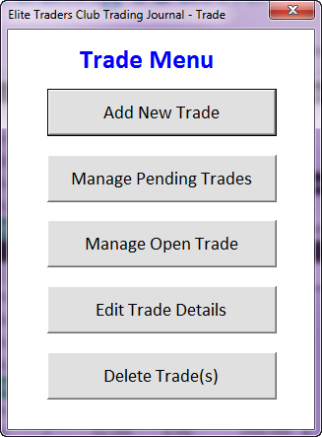
 |  |  |  |  |  |  |  |  |  |  |  |  |  |  |  |  |  |  |  |  |  | BHP
 |  |  |  |  |  |  |  |  |  |  |  |  |  |  |  |  |  |  |  |  |  | WFC
 |  |  |  |  |  |  |  |  |  |  |  |  | Manage Pending Trades

 |  |  |  |  |  | Launches NewTrade form |  |  |  |  |  |  |  | Security | Direction | Market | Date | Open | Cancel | Cancel & Delete
 |  |  |  |  |  |  |  |  |  |  |  |  |  | JNJ | Long | USA Equities | 2014-05-24
 |  |  |  |  |  |  |  |  |  |  |  |  |  | INTC | Long | USA Equities | 2014-05-24 |  |  |  | Notes
 |  |  |  |  |  | Launches Manage Pending Trades form ***New*** |  |  |  |  |  |  |  | ABC | Short | ASX Equities | 2014-05-24 |  |  |  | For securities marked as "Cancel" their status in the Trade Journal is overwritten as Cancelled and they are kept in the Trade Journal sheet but removed from the MainPage Open Positions Summary.
 |  |  |  |  |  |  |  |  |  |  |  |  |  | TSLT | Long | USA Equities | 2014-05-25
 |  |  |  |  |  | Launches OTEdit form (details in Manage Trade sheet) |  |  |  |  |  |  |  | GOOGL | Long | USA Equities | 2014-05-25
 |  |  |  |  |  |  |  |  |  |  |  |  |  | MSFT | Long | USA Equities | 2014-05-26 |  |  |  | For securities marked as "Open", their respective Change forms are launched (can we launch multiple Change forms to the screen for the user to work through one by one?). The user then confirms each form and submits the trades as "Open" also confirm in the process any trade entry details.
 |  |  |  |  |  |  |  |  |  |  |  |  |  | BHP | Long | ASX Equities | 2014-05-26
 |  |  |  |  |  | Launches TJEdit form |  |  |  |  |  |  |  | IBM | Short | USA Equities | 2014-05-26
 |  |  |  |  |  |  |  |  |  |  |  |  |  | ANZ | Long | ASX Equities | 2014-05-27
 |  |  |  |  |  |  |  |  |  |  |  |  |  | BAC | Long | USA Equities | 2014-05-27 |  |  |  | For securities marked as "Cancel & Delete" the "Confirm Delete Pending Trades" form (new form required shown above) will be launched. Subsequent confirmation of "Delete" sees relevant trades deleted from the Trade Journal and MainPage summary table. "Cancel" reverts back to Manage Pending Trades form.
 |  |  |  |  |  | Launches Delete Trade(s) form ***New*** |  |  |  |  |  |  |  | WFC | Short | USA Equities | 2014-05-27

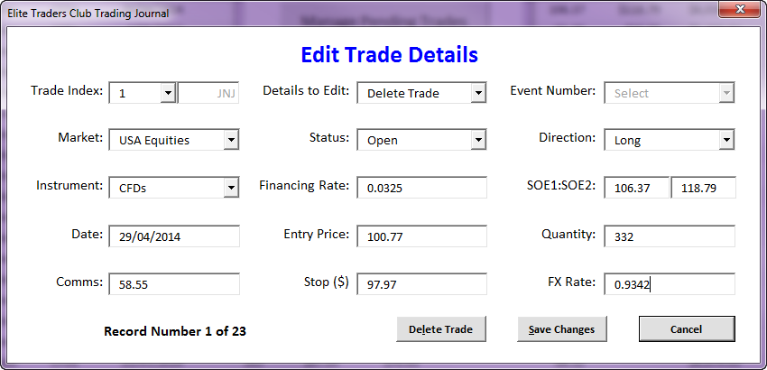

 |  |  |  |  | Delete Trade(s)

 |  |  |  |  |  |  |  |  |  |  |  | Delete Individual Trade launches TJForm with "Details to Edit" field set to "Delete Trade". User then selects from "Trade Index" the appropriate security for deletion. Once the security is selected this opens the form to full height which revels the "Delete" button. User clicks the Delete button to finalise deletion.

 |  |  |  |  |  |  |  |  |  |  |  | Confirm Delete all Cancelled Trades

 |  |  |  |  |  |  |  |  |  |  |  |  | You are about to delete all cancelled trades from the Journal. Please note this action cannot be undone.

 |  |  |  |  |  |  |  |  |  |  |  | Confirm Delete all Virtual Trades

 |  |  |  |  |  |  |  |  |  |  |  |  | You are about to delete all virtual trades from the Journal. Please note this action cannot be undone.

Manage Trade
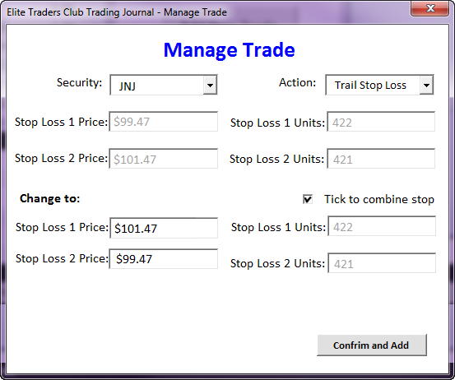
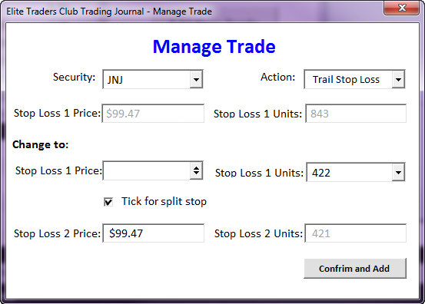
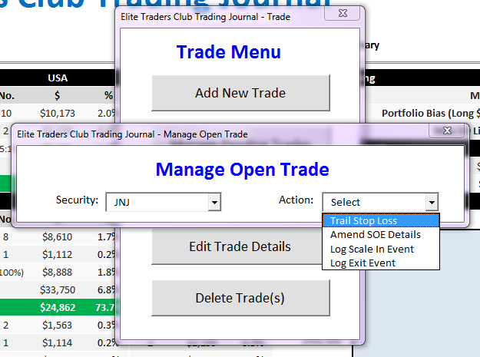
Manage Open Trade: Trail Stop Loss
Manage Trade - Trail Stop Loss |  |  |  |  |  |  |  |  | Note: There can be a maximum of only two stop losses at any one time under the strategy |  |  |  |  |  |  |  |  |  |  |  |  | Here, if there are already two stop losses, then the form initialises with each stop loss price and Units Out amounts. If the user wants to combine the stops and have just one stop then they check the "Tick to combine stop" box. The Stop Loss 2 Price and Stop Loss 2 Units Out fields are replaced with "n/a" and on "Confirm and add" the new Stop Loss 1 details are written to the Trade Journal 2 sheet and the previous Stop Loss 2 details are cleared.
 |  |  |  |  |  |  |  |  | Stop Loss 1 Price = Last recorded stop loss level as per the new "Stop Losses" columns the Trade Journal 2 sheet. The user cannot edit this field. If there are already two recorded stop losses in Trade Journal 2 then the form on the right is the default -->
 |  |  |  |  |  |  |  |  | Stop Loss 1 Units = Sum of all units including all scale in events, user cannot edit this field. If there are already two recorded stop losses in Trade Journal 2 then the form on the right is the default -->
 |  |  |  |  |  |  |  |  | (Change to:) Stop Loss 1 Price = Initially only this field will show and assume a full exit event at this price. The user enters the price of the new, trailed stop loss and clicks Confirm and Add.
 |  |  |  |  |  |  |  |  | (Change to:) Stop Loss 1 Units = If user checks the "Tick for split stop" box then this field appears. Contains a drop down list with the Scale Out Event Units Out amounts from Scale In-Scale Out Model sheet (amounts for Scale In Events 3 and 4 are always combined into a single Scale Out Event Units Out amount). There could be up to a maximum of 6 Units Out amounts. The user must choose an amount from the list.

 |  |  |  |  |  |  |  |  | (Change to:) Stop Loss 2 Price = If user checks the "Tick for split stop" box then this field also appears. The user enters the price of the new stop loss user and clicks Confirm and Add.
 |  |  |  |  |  |  |  |  | (Change to:) Stop Loss 2 Units = No. Available Units minus New Stop Level Units, user cannot edit this field.

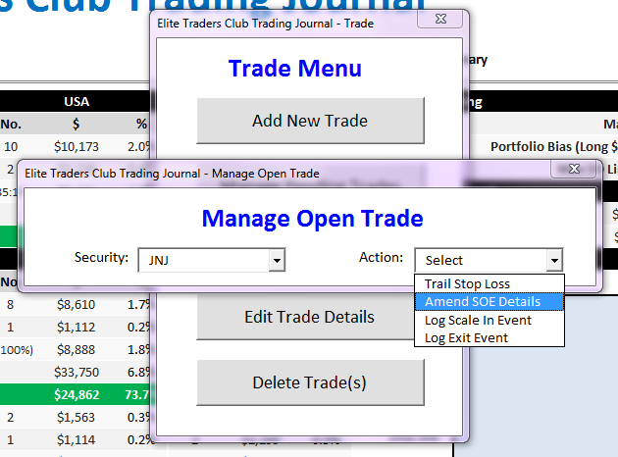
Manage Trade - Amend SOE Details
 |  |  |  | Manage Open Trade: Amend SOE Details |  |  |  |  |  |  |  |  |  | Manage Open Trade: Amend SOE Details
 |  |  |  | Security: | JNJ |  |  |  | Action: | Amend SOE Details |  |  |  | Security: | JNJ |  |  |  | Action: | Amend SOE Details

 |  |  |  | SIE 0: |  |  |  |  |  |  |  |  |  | SIE 0: |  |  |  |  |  |  |  |  | These cells should add up to Units In. SOE 1 Units Out menu has options Units In and Units In/2. If Units In is an odd number, than the options are Units In and Units In/2 rounded up to the nearest whole unit.
 |  |  |  | Units In: | 296 | Entry Price: | 100.51 | SOE 1 Price: | 118.79 | SOE 1 Units Out: | 148 |  |  | Units In: | 296 | Entry Price: | 100.51 | SOE 1 Price: | 118.79 | SOE 1 Units Out: | 296
 |  |  |  |  |  |  |  | SOE 2 Price: | 126.36 | SOE 2 Units Out: | 148 |  |  |  |  |  |  | SOE 2 Price: | n/a | SOE 2 Units Out: | n/a
 |  |  |  | SIE 1: |  |  |  |  |  |  |  |  |  |  |  |  |  |  |  |  |  |  | This cell shows the balance of Units In minus SOE 1 Units Out. The user cannot edit this field.
 |  |  |  | Units In: | 231 | Entry Price: | 102.51 | SOE 3 Price: | 132.56 | SOE 3 Units Out: | 116
 |  |  |  |  |  |  |  | SOE 4 Price: | 138.59 | SOE 4 Units Out: | 115 |  |  |  |  |  |  |  |  | Save |  |  | Same as above for menus for SOE 3 Units Out and SOE 4 Units Out fields.
 |  |  |  | SIE 2:
 |  | SIEs only show if they have been previously logged |  | Units In: | 104 | Entry Price: | 103.51 | SOE 5 Price: | 145.44 | SOE 5 Units Out: | 104
 |  |  |  |  |  |  |  |  |  |  |  |  | Sometimes the user will have specified only one scale out event to match off a scale in event - e.g. all in & all out.
 |  |  |  | SIE 3:
 |  |  |  | Units In: | 54 | Entry Price: | 104.51 | SOE 6 Price: | 148.49 | SOE 6 Units Out: | 54
 |  |  |  |  |  |  |  |  |  |  |  |  |  | Manage Open Trade: Amend SOE Details
 |  |  |  | SIE 4: |  |  |  |  |  |  |  |  |  | Security: | JNJ |  |  |  | Action: | Amend SOE Details
 |  |  |  | Units In: | 54 | Entry Price: | 105.51 | SOE 6 Price: | 148.49 | SOE 6 Units Out: | 54 |  |  | SIE 0:
 |  |  |  |  |  |  |  |  |  |  |  |  |  | Units In: | 296 | Entry Price: | 100.51 | SOE 1 Price: | 118.79 | SOE 1 Units Out: | 296
 |  |  |  |  |  |  |  |  |  |  |  |  |  |  |  |  |  | SOE 2 Price: | n/a | SOE 2 Units Out: | n/a
 |  |  |  |  |  |  |  |  |  | Save |  |  |  | SIE 1:
 |  |  |  |  |  |  |  |  |  |  |  |  |  | Units In: | 231 | Entry Price: | 102.51 | SOE 3 Price: | 118.79 | SOE 3 Units Out: | 231
 |  |  | The data for these cells are drawn from the current values in the corresponding SOE 1 Price to SOE 6 Price columns in the Trade Journal 2 sheet. Once the user clicks "Save", the old values are overwritten with the values in this form. |  |  |  |  |  |  |  |  |  |  |  |  |  |  | SOE 4 Price: | n/a | SOE 4 Units Out: | n/a

 |  |  | The user cannot change Units In and Entry Price as these are specific to the respective scale in event and are static. Note above that SOE 1 Price and Units Out are shaded green and struck out to simulate handling a scenario where an exit event for those units has been logged and thus the price and units out cannot be changed. |  |  |  |  |  |  |  |  |  |  |  |  |  |  |  |  | Save

 |  |  | The user cannot edit SOE 5 and SOE 6 units out because these trades are always transacted on an all in-all out basis.
 |  |  |  |  |  |  |  |  |  |  |  |  | Here the user has conducted two scale in events, but has chosen to exit the entire position at $118.79.

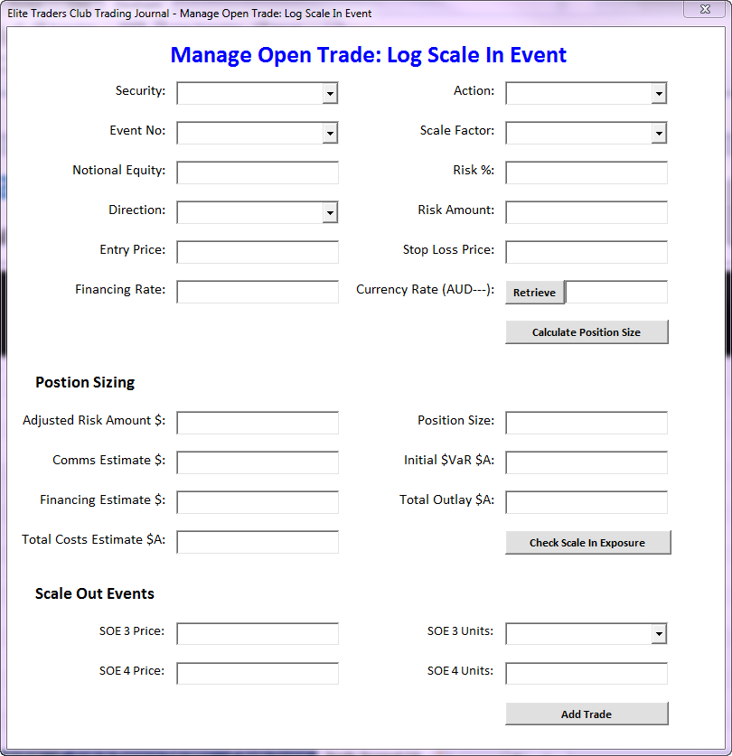
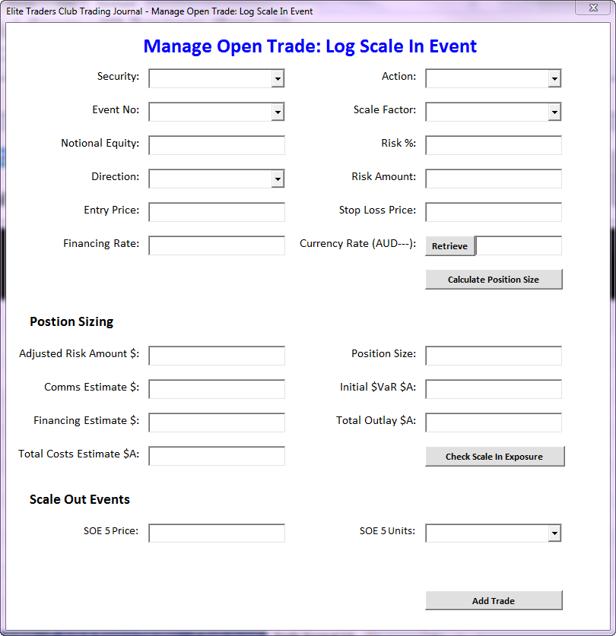

Manage Trade - Log Scale In Event

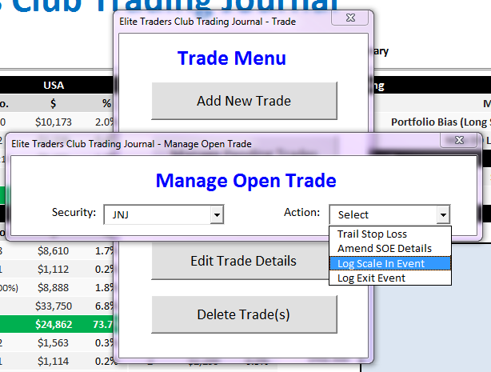

 |  |  |  |  |  |  |  |  |  |  |  |  |  |  |  |  | Require ability for client to assess whether a scale in event is going to breach their total position $VaR and $EaR limits before the trade is taken.
 |  |  |  |  |  |  |  |  |  |  |  |  |  |  |  |  | The formulas for each of the fields here are exacly the same as the corresponding formulas in the Scale In Exposure Calculator sheet. Conditional formatting should also be the same, so highlights red if over limits.

 |  |  |  |  |  |  |  |  |  |  |  |  |  |  |  |  | Security should be pre-populated with the relevant security from the feeder Manage_OT_SIE form. User cannor amend this field.
 |  |  |  |  |  |  |  |  |  |  |  |  |  |  |  |  | Event No should be pre-populated with the event number from the feeder Manage_OT_SIE form. User cannot amend this field.
 |  |  |  |  |  |  |  |  |  |  |  |  |  |  |  |  | $EaR Limit (3R) is 3 times the current risk amount (i.e. standard risk percentage times the Notional Capital). User cannot amend this field.
 | Scale in events require position sizing to occur suggest a form which looks like: |  |  |  |  |  |  |  |  |  |  |  |  |  |  |  | $VaR Limit (2R) is 2 times the current risk amount (i.e. standard risk percentage times the Notional Capital). User cannot amend this field.
 |  |  |  |  |  |  |  |  |  |  |  |  |  |  |  |  | Historical data for past scale in events are drawn from the Trade Journal. Details for the current event being considered are drawn from the feeder Manage_OT_SIE form. Would like to highlight the current scale in event in the "Scale In Event" column by formatting the appropriate current event (i.e. Event 1, Event 2, Event 3, Event 4 label) in bold.

 |  |  | Scale In Event 1 = Scale Factor 1 which allows input of SOE 3 and SOE 4 (trader can define one or both). |  |  |  |  |  |  |  | Scale In Event 2 = Scale Factor 0.5 which allows input of SOE5.

 |  |  | The SOE Units drop down menu allows only choice of full position size or half position size (if odd number then half rounded up to nearest share). When SOE 3 Units is selected, SOE 4 Units automatically populates with value which is half position size (if odd number then half rounded down to nearest share). |  |  |  |  |  |  |  | Note here that there is only one option for SOE 5 Units - the Position Size, so disallow editing of field.



 |  |  | Scale In Event 3 = Scale Factor 0.25 which allows input of SOE6. |  |  |  |  |  |  |  | Scale In Event 4 = Scale Factor 0.25. SOE 6 here writes over any existing SOE 6 as the last two 0.25 units are assumed to be exited at the same price.

 |  |  | Note here that there is only one option for SOE 6 Units - the Position Size, so disallow editing of field.
 |  |  |  |  |  |  |  |  |  |  | Note here that there is only one option for SOE 6 Units - the Position Size, so disallow editing of field.

Manage Trade - Log Exit Event

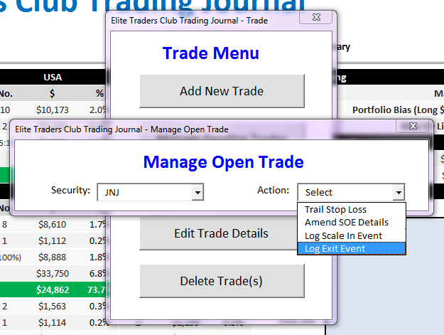

 |  |  | Manage Open Trade: Log Exit Event

 |  |  |  | Security: | JNJ |  |  |  |  | Action: | Log Exit Event

 |  |  |  | Select Units to Exit:

 |  |  |  | 148 | Exit Price: | 118.79 | Comms ($A): | 23.12 | Financing ($A): | 18.65 | FX Rate (AUD---): | 0.9256

 |  |  |  | 148 | Exit Price: |  | Comms ($A): |  | Financing ($A): |  | FX Rate (AUD---):

 |  |  |  | 116 | Exit Price: |  | Comms ($A): |  | Financing ($A): |  | FX Rate (AUD---):

 |  |  |  | 115 | Exit Price: |  | Comms ($A): |  | Financing ($A): |  | FX Rate (AUD---):

 |  |  |  | 104 | Exit Price: |  | Comms ($A): |  | Financing ($A): |  | FX Rate (AUD---):

 |  |  |  | 108 | Exit Price: |  | Comms ($A): |  | Financing ($A): |  | FX Rate (AUD---): |  |  | Menu options are Exit Event 1 to Exit Event 6

 |  |  | Tick for one exit for all units
 | Exit amounts are presented as possible Scale Out Event Units Out amounts as per the Scale In-Scale Out Model sheet. Units must be exited on a first in - first out basis (non-negotiable). To control this, only when the first box is checked does the second row become active for use, and so on for the rest of the rows. The user may not unselect higher boxes after selecting lower boxes. |  |  |  |  |  |  |  |  |  |  |  |  | Exit Reason to be written to respective "Exit Reason" column in Trade Journal 2 sheet.
 |  |  |  |  | Write Exit Details to: | Exit Event 1
 |  |  |  |  |  |  |  |  |  |  |  |  |  | Exit Reason menu options: |  | Hit Initial Stop
 |  |  |  |  | Exit Reason: | Scale Out Objective Achieved |  |  |  |  |  |  |  |  |  | Hit Trailed Stop
 |  |  |  |  |  |  |  |  |  |  |  |  |  |  |  | Scale Out Objective Achieved
 |  |  |  |  | Exit Comments: |  |  |  |  |  |  |  |  |  |  | Discretionary Close Out

 |  |  |  |  |  |  |  |  |  |  |  |  |  | Exit Comments to be written to "Exit Comments" column in Trade Journal 2 sheet. Obviously there's only one column and 6 possible exit events, so each one will have to overwrite the last.
 | If the user is exiting multiple Unit Out amounts in the same exit order on their trading platform they may wish to combine the commissions financing costs and FX rate for a number of Units Out. If this is the case, then only the Exit Price field needs to be populated, perhaps we could write zero in the relevant Comms and Financing fields to illustrate this. The Exit Price and FX Price fields will need to also be auto populated with the values from the uppermost Units Out fields so that these important values for P/L calculation can be written to the appropriate Exit Events columns in Trade Journal 2. |  |  |  |  | *Note that these Exit Comments will overwrite any currently recored in the Trade Journal

 |  |  | Manage Open Trade: Log Exit Event

 |  |  |  | Security: | JNJ |  |  |  |  | Action: | Log Exit Event

 | Here the user has already exited 296 units in two separate parcels of 148 units. They are now looking to exit the rest of the position in a single order at a single price. The details will write to Exit Event 3 in Trade Journal 2 and be marked as a Discretionary Close Out. |  |  | Select Units to Exit:

 |  |  |  | 148 | Exit Price: | 118.79 | Comms ($A): | 23.12 | Financing ($A): | 18.65 | FX Rate (AUD---): | 0.9256

 |  |  |  | 148 | Exit Price: | 126.36 | Comms ($A): | 24.18 | Financing ($A): | 21.36 | FX Rate (AUD---): | 0.9288

 |  |  |  | 116 | Exit Price: | 132.56 | Comms ($A): | 26.90 | Financing ($A): | 22.81 | FX Rate (AUD---): | 0.9301
 | If we allow users to exit as many units as they wish, when they wish, then in theory there could be as many exit events as there are units of shares purchased. Hence, this model of forcing them to exit in multiples of Unit Outs amounts on a first in first out basis is very robust. Inevitably however, the user is going to get a partial fill on something. We can assume that they will not enter the order until the final fill is eventually achieved, but we will need to provide them with some means to determining a single weighted average exit price for a given Units Out amount in order to easily populate the Exit Price field.
 |  |  |  | 115 | Exit Price: | 132.56 | Comms ($A): | 0 | Financing ($A): | 0 | FX Rate (AUD---): | 0.9301 |  | If previous Exit Events have been populated they should either be greyed and disallowed for selection or omitted from this list. If the user wishes to edit a previous Exit Event, then they should do so through the Edit Trade Details functionality. This field should be prepopulated with the next-most Exit Event...for example if, Exit Event 1 and Exit Event 2 columns in the Trade Journal are populated, then it defaults to Exit Event 3 when this form is opened.

 |  |  |  | 104 | Exit Price: | 132.56 | Comms ($A): | 0 | Financing ($A): | 0 | FX Rate (AUD---): | 0.9301

 |  |  |  | 108 | Exit Price: | 132.56 | Comms ($A): | 0 | Financing ($A): | 0 | FX Rate (AUD---): | 0.9301

 |  |  | Tick for one exit for all units

 |  |  |  |  | Write Exit Details to: | Exit Event 3

 |  |  |  |  | Exit Reason: | Discretionary Close Out
 | I haven't come up with format of Partial Fill Calculator but will do if you require.
 |  |  |  |  | Exit Comments:

 |  |  |  |  |  | *Note that these Exit Comments will overwrite any currently recored in the Trade Journal

